Screenshots
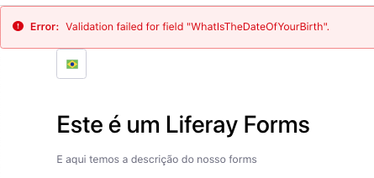
SCREENSHOT - DOB dropdown

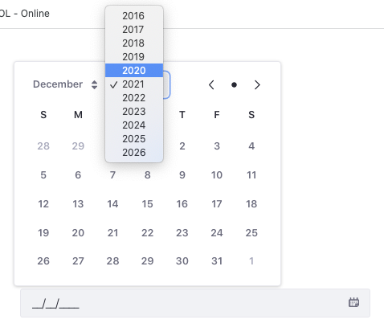

SCREENSHOT - DOB future date

SCREENSHOT - Pointer - DOB

SCREENSHOT - Error message with random numbers

SCREENSHOT - Invalid name format

SCREENSHOT - Language in convention is not applied for all fields
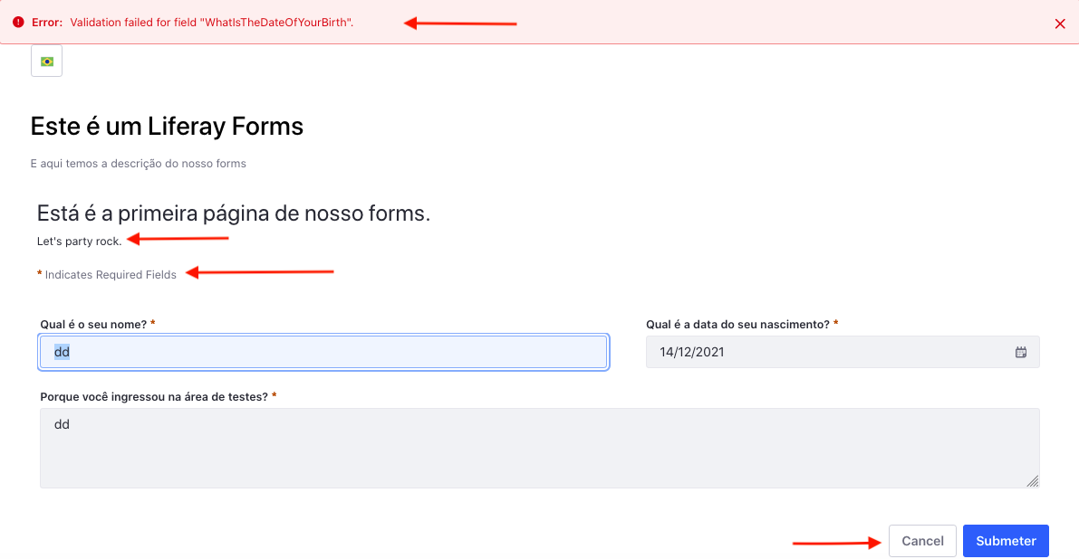

SCREENSHOT - Error message in portuguese page

